Date Time All Function
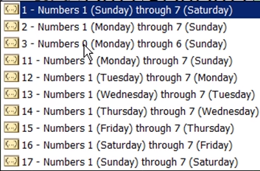
WEEKDAY
Example 1
2017-10-23 | 0
2017-10-24 | 1
2017-10-25 | 2
2017-10-26 | 3
2017-10-27 | 4
2017-10-28 | 5
2017-10-29 | 6

Example 2
Enter Date | 2010-12-25
Day of the Week | 7 | 1-Sunday through Saturday
Week Day | Saturday | 2-Monday through Sunday

Example 3 | METHOD1 | METHOD2
2015-03-07 | Weekend | Weekend
2015-03-08 | Weekend | Weekend
2015-03-09 | Workday | Workday
2015-03-10 | Workday | Workday
2015-03-11 | Workday | Workday
2015-03-12 | Workday | Workday
2015-03-13 | Workday | Workday
2015-03-14 | Weekend | Weekend

